Questions
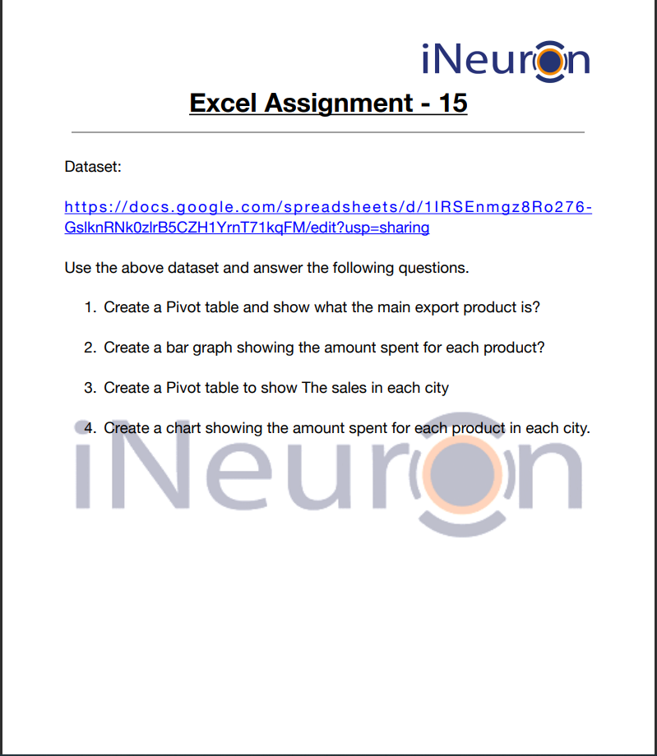

Answer 2
 |  | 2.Create a bar graph showing the amount spent for each product?
Row Labels | Sum of Amount
Compass | 104438
Product V/s Amount Spent
Pen | 57079
Pencil | 191257
Scale | 340295
Shoe | 136945
Socks | 57281
Grand Total | 887295

Answer 4
 |  |  |  |  | 4.Create a chart showing the amount spent for each product in each city.
Sum of Amount | Column Labels
Row Labels | Delhi | Kerala | Madhya Pradesh | Tamilnadu | Telangana | Uttar Pradesh | West Bengal | Grand Total
Compass | 2256 | 21744 | 30932 | 12010 | 8680 | 8887 | 19929 | 104438
Pen | 7388 | 5600 | 22363 |  | 9186 | 8775 | 3767 | 57079
Sales In the Cities
 | Delhi | Kerala | Madhya Pradesh | Tamilnadu | Telangana | Uttar Pradesh | West Bengal
Compass | 2256 | 21744 | 30932 | 12010 | 8680 | 8887 | 19929
Pen | 7388 | 5600 | 22363 |  | 9186 | 8775 | 3767
Pencil | 80193 | 17534 | 28615 | 10332 | 20634 | 9082 | 24867
Scale | 36094 | 42908 | 95061 | 40050 | 52721 | 39686 | 33775
Shoe | 9104 | 41815 | 56284 |  | 8106 | 21636
Socks | 680 | 5100 | 7163 |  | 14433 | 29905
Pencil | 80193 | 17534 | 28615 | 10332 | 20634 | 9082 | 24867 | 191257
Scale | 36094 | 42908 | 95061 | 40050 | 52721 | 39686 | 33775 | 340295
Shoe | 9104 | 41815 | 56284 |  | 8106 | 21636 |  | 136945
Socks | 680 | 5100 | 7163 |  | 14433 | 29905 |  | 57281
Grand Total | 135715 | 134701 | 240418 | 62392 | 113760 | 117971 | 82338 | 887295

